Dashboard
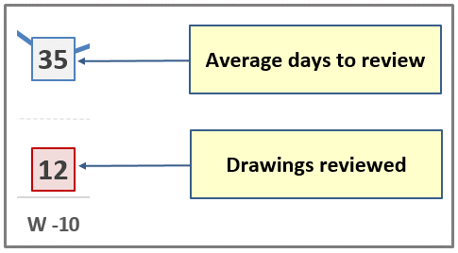
 |  |  | 359 | 267 | 74.4% | 92 |  | 5 | 8 | 5 |  | 249
 | 315 |  | TOTAL QUANTITY | SUBMITTED |  | REV 0 TO GO | CODE 1 | CODE 2 | CODE 3 | CODE 4 | CODE 5 | UNDER REVIEW

 | 294 |  |  | 247 |  | 91 |  | 4 | 8 | 3 |  | 232

Security System | Security System/Special System/ICT/Telecom | CCTV | 46 | 40 | 87% | 6 |  | 3 | 5 |  |  | 32
Security System |  | SACS | 37 | 37 | 100% |  |  |  |  |  |  | 37
Special System |  | ICT (SCN) | 39 | 13 | 33% | 26 |  |  | 3 |  |  | 10
Special System |  | COMMUNICATION (WDN, DAS) | 35 | 35 | 100% |  |  |  |  | 3 |  | 32
Special System |  | TV | 28 | 28 | 100% |  |  |  |  |  |  | 28
Special System |  | CLOCK | 29 | 29 | 100% |  |  |  |  |  |  | 29
Special System |  | LAN-ICT | 15 | - | 0% | 15
Special System |  | LAN-SECURITY | 15 | - | 0% | 15
Security System |  | SACS TYPICAL | 11 | - | 0% | 11
Security System |  | CCTV TYPICAL | 8 | 4 | 50% | 4 |  |  |  |  |  | 4
Security System |  | CCTV SCHEDULES | 15 | 14 | 93% | 1 |  | 1 |  |  |  | 13
Security System |  | SACS SCHEDULES | 6 | 6 | 100% |  |  |  |  |  |  | 6
Security System |  | SCHAMATICS | 7 | - | 0% | 7
Security System |  | GENERAL | 3 | 3 | 100% |  |  |  |  |  |  | 3
Special System |  | TETRA | 42 | 36 | 86% | 6 |  |  |  |  |  | 36
Telecommunications |  | SCHAMATICS | 2 | 2 | 100% |  |  |  |  |  |  | 2

 | 21 |  |  | 20 |  | 1 |  | 1 |  | 2 |  | 17

Civil | Civil | Duct Layout | 19 | 18 | 95% | 1 |  | 1 |  | 2 |  | 15
Civil |  | Camera Layout | 1 | 1 | 100% |  |  |  |  |  |  | 1
Civil |  | Lighting Layout | 1 | 1 | 100% |  |  |  |  |  |  | 1
 |  |  | - | -

 |  |  |  | -

 | Q.ty of SD Reviewed | Review Time (Days)
W -24 |  | #N/A
W -23 |  | #N/A
W -22 |  | #N/A
W -21 |  | #N/A
W -20 |  | #N/A
W -19 |  | #N/A
W -18 |  | #N/A
W -17 |  | #N/A
W -16 |  | #N/A
W -15 |  | #N/A
W -14 |  | #N/A
W -13 |  | #N/A
W -12 |  | #N/A
W -11 |  | #N/A
W -10 |  | #N/A
W -9 |  | #N/A
W -8 |  | #N/A
W -7 |  | #N/A
W -6 |  | #N/A
W -5 |  | #N/A
W -4 |  | #N/A
W -3 |  | #N/A
W -2 |  | #N/A
W -1 |  | #N/A
THIS WEEK

